Sheet1
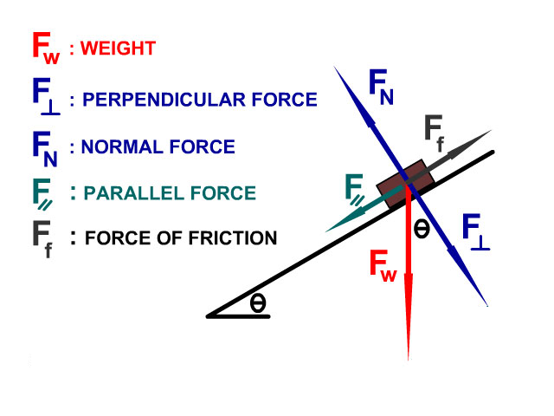

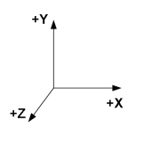
Kelvin - unit of temptature
Candela (cd) - The SI base unit of luminous intensity.
Incandescent Heat Lamp

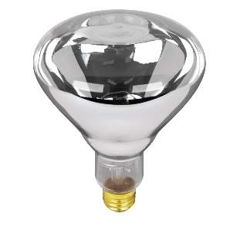
 | humidety

 |  |  | light

 | heat

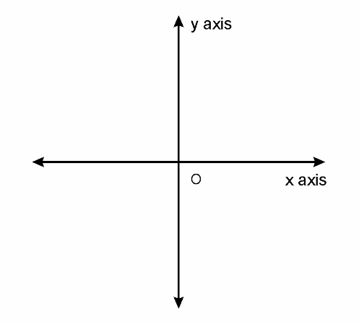
Relative humidity, expressed as a percentage, indicates a present state of absolute humidity relative to a maximum humidity given the same temperature.


 |  | Humidifier

